Daily Power Station Chart_14-01
Plant_10/07/2025Chart

Plant:odco1 |  |  | Installed Capacity:111.180kWp
Today Yield(kWh):621.800kWh |  | Today Earning:248720.000TND |  | Today Full Load Hours(h):5.59h

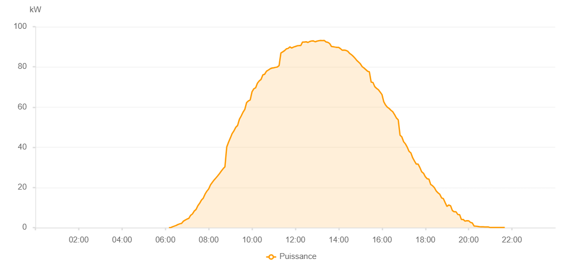

Number | Time | Working State | PV(W) | Instantaneous Radiation(W/㎡)
1 | 06:10:00 | Online | 20.00000 | 0
2 | 06:15:00 | Online | 30.00000 | 0
3 | 06:20:00 | Online | 440.00000 | 1.00000
4 | 06:25:00 | Online | 760.00000 | 4.00000
5 | 06:30:00 | Online | 1090.00000 | 7.00000
6 | 06:35:00 | Online | 1570.00000 | 9.00000
7 | 06:40:00 | Online | 1890.00000 | 14.00000
8 | 06:45:00 | Online | 2130.00000 | 20.00000
9 | 06:50:00 | Online | 3220.00000 | 28.00000
10 | 06:55:00 | Online | 3750.00000 | 37.00000
11 | 07:00:00 | Online | 4250.00000 | 47.00000
12 | 07:05:00 | Online | 4640.00000 | 57.00000
13 | 07:10:00 | Online | 6120.00000 | 69.00000
14 | 07:15:00 | Online | 6810.00000 | 82.00000
15 | 07:20:00 | Online | 8240.00000 | 96.00000
16 | 07:25:00 | Online | 9030.00000 | 111.00000
17 | 07:30:00 | Online | 10900.00000 | 125.00000
18 | 07:35:00 | Online | 12150.00000 | 141.00000
19 | 07:40:00 | Online | 13730.00000 | 156.00000
20 | 07:45:00 | Online | 14680.00000 | 173.00000
21 | 07:50:00 | Online | 16700.00000 | 190.00000
22 | 07:55:00 | Online | 18150.00000 | 205.00000
23 | 08:00:00 | Online | 19250.00000 | 224.00000
24 | 08:05:00 | Online | 21270.00000 | 240.00000
25 | 08:10:00 | Online | 22500.00000 | 258.00000
26 | 08:15:00 | Online | 23700.00000 | 278.00000
27 | 08:20:00 | Online | 24720.00000 | 296.00000
28 | 08:25:00 | Online | 25780.00000 | 317.00000
29 | 08:30:00 | Online | 26920.00000 | 334.00000
30 | 08:35:00 | Online | 28170.00000 | 354.00000
31 | 08:40:00 | Online | 29310.00000 | 374.00000
32 | 08:45:00 | Online | 30270.00000 | 393.00000
33 | 08:50:00 | Online | 40140.00000 | 410.00000
34 | 08:55:00 | Online | 42540.00000 | 428.00000
35 | 09:00:00 | Online | 44620.00000 | 447.00000
36 | 09:05:00 | Online | 46820.00000 | 464.00000
37 | 09:10:00 | Online | 48170.00000 | 482.00000
38 | 09:15:00 | Online | 49950.00000 | 501.00000
39 | 09:20:00 | Online | 50830.00000 | 519.00000
40 | 09:25:00 | Online | 53910.00000 | 535.00000
41 | 09:30:00 | Online | 55550.00000 | 551.00000
42 | 09:35:00 | Online | 57410.00000 | 569.00000
43 | 09:40:00 | Online | 58850.00000 | 585.00000
44 | 09:45:00 | Online | 62230.00000 | 599.00000
45 | 09:50:00 | Online | 63050.00000 | 613.00000
46 | 09:55:00 | Online | 63570.00000 | 630.00000
47 | 10:00:00 | Online | 67610.00000 | 640.00000
48 | 10:05:00 | Online | 69100.00000 | 659.00000
49 | 10:10:00 | Online | 69580.00000 | 667.00000
50 | 10:15:00 | Online | 71900.00000 | 685.00000
51 | 10:20:00 | Online | 73030.00000 | 699.00000
52 | 10:25:00 | Online | 73760.00000 | 710.00000
53 | 10:30:00 | Online | 76010.00000 | 725.00000
54 | 10:35:00 | Online | 76350.00000 | 736.00000
55 | 10:40:00 | Online | 77840.00000 | 745.00000
56 | 10:45:00 | Online | 78390.00000 | 756.00000
57 | 10:50:00 | Online | 79010.00000 | 769.00000
58 | 10:55:00 | Online | 79400.00000 | 780.00000
59 | 11:00:00 | Online | 79520.00000 | 791.00000
60 | 11:05:00 | Online | 79770.00000 | 803.00000
61 | 11:10:00 | Online | 79920.00000 | 810.00000
62 | 11:15:00 | Online | 80660.00000 | 820.00000
63 | 11:20:00 | Online | 86900.00000 | 828.00000
64 | 11:25:00 | Online | 87480.00000 | 836.00000
65 | 11:30:00 | Online | 88080.00000 | 843.00000
66 | 11:35:00 | Online | 88960.00000 | 851.00000
67 | 11:40:00 | Online | 89210.00000 | 856.00000
68 | 11:45:00 | Online | 89950.00000 | 864.00000
69 | 11:50:00 | Online | 89400.00000 | 871.00000
70 | 11:55:00 | Online | 89850.00000 | 872.00000
71 | 12:00:00 | Online | 90160.00000 | 879.00000
72 | 12:05:00 | Online | 90480.00000 | 883.00000
73 | 12:10:00 | Online | 90600.00000 | 887.00000
74 | 12:15:00 | Online | 90640.00000 | 890.00000
75 | 12:20:00 | Online | 92390.00000 | 892.00000
76 | 12:25:00 | Online | 92350.00000 | 899.00000
77 | 12:30:00 | Online | 92490.00000 | 897.00000
78 | 12:35:00 | Online | 92160.00000 | 900.00000
79 | 12:40:00 | Online | 92640.00000 | 902.00000
80 | 12:45:00 | Online | 92920.00000 | 900.00000
81 | 12:50:00 | Online | 92950.00000 | 902.00000
82 | 12:55:00 | Online | 92490.00000 | 903.00000
83 | 13:00:00 | Online | 92820.00000 | 898.00000
84 | 13:05:00 | Online | 93010.00000 | 897.00000
85 | 13:10:00 | Online | 93130.00000 | 898.00000
86 | 13:15:00 | Online | 93100.00000 | 897.00000
87 | 13:20:00 | Online | 93170.00000 | 893.00000
88 | 13:25:00 | Online | 92440.00000 | 893.00000
89 | 13:30:00 | Online | 92210.00000 | 893.00000
90 | 13:35:00 | Online | 91640.00000 | 889.00000
91 | 13:40:00 | Online | 90160.00000 | 886.00000
92 | 13:45:00 | Online | 90040.00000 | 877.00000
93 | 13:50:00 | Online | 89870.00000 | 871.00000
94 | 13:55:00 | Online | 89720.00000 | 865.00000
95 | 14:00:00 | Online | 89710.00000 | 861.00000
96 | 14:05:00 | Online | 89070.00000 | 855.00000
97 | 14:10:00 | Online | 88280.00000 | 848.00000
98 | 14:15:00 | Online | 88360.00000 | 839.00000
99 | 14:20:00 | Online | 88220.00000 | 831.00000
100 | 14:25:00 | Online | 87790.00000 | 829.00000
101 | 14:30:00 | Online | 86800.00000 | 818.00000
102 | 14:35:00 | Online | 86130.00000 | 816.00000
103 | 14:40:00 | Online | 85330.00000 | 802.00000
104 | 14:45:00 | Online | 84380.00000 | 796.00000
105 | 14:50:00 | Online | 83250.00000 | 785.00000
106 | 14:55:00 | Online | 82430.00000 | 778.00000
107 | 15:00:00 | Online | 81540.00000 | 767.00000
108 | 15:05:00 | Online | 80160.00000 | 754.00000
109 | 15:10:00 | Online | 79480.00000 | 738.00000
110 | 15:15:00 | Online | 78670.00000 | 728.00000
111 | 15:20:00 | Online | 77860.00000 | 710.00000
112 | 15:25:00 | Online | 77530.00000 | 691.00000
113 | 15:30:00 | Online | 72430.00000 | 681.00000
114 | 15:35:00 | Online | 72260.00000 | 661.00000
115 | 15:40:00 | Online | 70170.00000 | 654.00000
116 | 15:45:00 | Online | 69300.00000 | 633.00000
117 | 15:50:00 | Online | 68630.00000 | 625.00000
118 | 15:55:00 | Online | 67440.00000 | 612.00000
119 | 16:00:00 | Online | 66210.00000 | 595.00000
120 | 16:05:00 | Online | 62600.00000 | 580.00000
121 | 16:10:00 | Online | 60990.00000 | 565.00000
122 | 16:15:00 | Online | 59910.00000 | 551.00000
123 | 16:20:00 | Online | 59270.00000 | 532.00000
124 | 16:25:00 | Online | 58370.00000 | 518.00000
125 | 16:30:00 | Online | 57660.00000 | 502.00000
126 | 16:35:00 | Online | 56160.00000 | 482.00000
127 | 16:40:00 | Online | 54550.00000 | 470.00000
128 | 16:45:00 | Online | 53680.00000 | 454.00000
129 | 16:50:00 | Online | 46010.00000 | 435.00000
130 | 16:55:00 | Online | 45120.00000 | 418.00000
131 | 17:00:00 | Online | 42710.00000 | 401.00000
132 | 17:05:00 | Online | 41650.00000 | 384.00000
133 | 17:10:00 | Online | 40030.00000 | 369.00000
134 | 17:15:00 | Online | 37960.00000 | 351.00000
135 | 17:20:00 | Online | 37170.00000 | 336.00000
136 | 17:25:00 | Online | 34760.00000 | 321.00000
137 | 17:30:00 | Online | 33120.00000 | 304.00000
138 | 17:35:00 | Online | 31620.00000 | 289.00000
139 | 17:40:00 | Online | 31620.00000 | 274.00000
140 | 17:45:00 | Online | 29870.00000 | 273.00000
141 | 17:50:00 | Online | 27750.00000 | 251.00000
142 | 17:55:00 | Online | 27070.00000 | 239.00000
143 | 18:00:00 | Online | 25350.00000 | 232.00000
144 | 18:05:00 | Online | 24340.00000 | 202.00000
145 | 18:10:00 | Online | 24130.00000 | 173.00000
146 | 18:15:00 | Online | 21450.00000 | 175.00000
147 | 18:20:00 | Online | 20840.00000 | 182.00000
148 | 18:25:00 | Online | 19880.00000 | 168.00000
149 | 18:30:00 | Online | 18310.00000 | 152.00000
150 | 18:35:00 | Online | 17310.00000 | 147.00000
151 | 18:40:00 | Online | 16630.00000 | 134.00000
152 | 18:45:00 | Online | 14800.00000 | 118.00000
153 | 18:50:00 | Online | 14440.00000 | 104.00000
154 | 18:55:00 | Online | 12430.00000 | 102.00000
155 | 19:00:00 | Online | 10530.00000 | 86.00000
156 | 19:05:00 | Online | 11290.00000 | 75.00000
157 | 19:10:00 | Online | 10860.00000 | 80.00000
158 | 19:15:00 | Online | 8480.00000 | 68.00000
159 | 19:20:00 | Online | 7880.00000 | 75.00000
160 | 19:25:00 | Online | 7880.00000 | 65.00000
161 | 19:30:00 | Online | 6530.00000 | 66.00000
162 | 19:35:00 | Online | 6470.00000 | 41.00000
163 | 19:40:00 | Online | 4020.00000 | 41.00000
164 | 19:45:00 | Online | 4050.00000 | 27.00000
165 | 19:50:00 | Online | 3230.00000 | 26.00000
166 | 19:55:00 | Online | 3460.00000 | 22.00000
167 | 20:00:00 | Online | 3420.00000 | 32.00000
168 | 20:05:00 | Online | 2610.00000 | 28.00000
169 | 20:10:00 | Online | 2330.00000 | 17.00000
170 | 20:15:00 | Online | 810.00000 | 10.00000
171 | 20:20:00 | Online | 710.00000 | 9.00000
172 | 20:25:00 | Online | 620.00000 | 5.00000
173 | 20:30:00 | Online | 480.00000 | 6.00000
174 | 20:35:00 | Online | 420.00000 | 4.00000
175 | 20:40:00 | Online | 380.00000 | 3.00000
176 | 20:45:00 | Online | 320.00000 | 2.00000
177 | 20:50:00 | Online | 310.00000 | 1.00000
178 | 20:55:00 | Online | 310.00000 | 1.00000
179 | 21:00:00 | Online | 40.00000 | 0
180 | 21:05:00 | Online | 50.00000 | 0
181 | 21:10:00 | Online | 40.00000 | 0
182 | 21:15:00 | Online | 40.00000 | 0
183 | 21:20:00 | Online | 40.00000 | 0
184 | 21:25:00 | Online | 40.00000 | 0
185 | 21:30:00 | Online | 40.00000 | 0
186 | 21:35:00 | Online | 40.00000 | 0
187 | 21:40:00 | Online | 40.00000 | 0
188 | 22:00:00 | Online | 0.00001 | 0.00001

